Sheet1
 | Tablas de Ruteo
 | Iván Díaz Lara | A01365801
 | Emilio Sibaja Villareal | A01025139
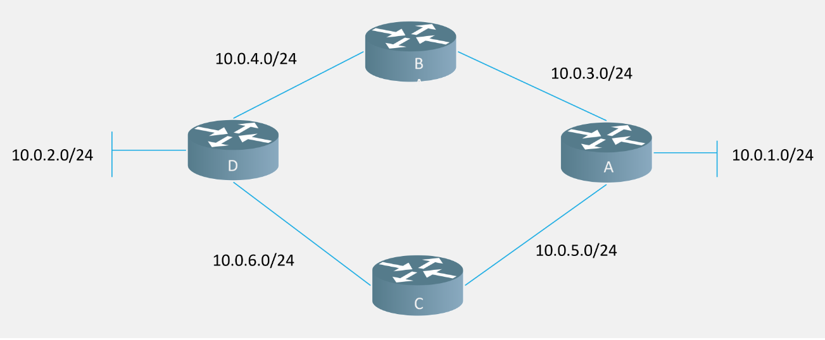

A |  |  | B |  |  | A |  |  | B
Red | Interfaz | Saltos | Red | Interfaz | Saltos | Red | Interfaz | Saltos | Red | Interfaz | Saltos
10.0.1.0 | f0/0 | 0 | 10.0.2.0 | f0/1 | 0 | 10.0.1.0 | f0/0 | 0 | 10.0.3.0 | f0/0 | 0
10.0.2.0 | f0/1 | 0 | 10.0.3.0 | f0/2 | 0 | 10.0.3.0 | f0/1 | 0 | 10.0.4.0 | f0/1 | 0
10.0.3.0 | f0/1 | 1 | 10.0.5.0 | f0/0 | 0 | 10.0.5.0 | f0/2 | 0 | 10.0.2.0 | f0/1 | 1
10.0.5.0 | f0/1 | 1 | 10.0.1.0 | f0/1 | 1 | 10.0.4.0 | f0/1 | 1 | 10.0.1.0 | f0/0 | 1
10.0.4.0 | f0/1 | 2 | 10.0.4.0 | f0/2 | 1 | 10.0.6.0 | f0/2 | 1 | 10.0.5.0 | f0/0 | 1
10.0.6.0 | f0/1 | 2 | 10.0.6.0 | f0/2 | 1 | 10.0.2.0 | f0/1 | 2 | 10.0.6.0 | f0/1 | 1

C |  |  | D |  |  | C |  |  | D
Red | Interfaz | Saltos | Red | Interfaz | Saltos | Red | Interfaz | Saltos | Red | Interfaz | Saltos
10.0.6.0 | f0/1 | 0 | 10.0.6.0 | f0/0 | 0 | 10.0.5.0 | f0/0 | 0 | 10.0.2.0 | f0/0 | 0
10.0.3.0 | f0/2 | 0 | 10.0.5.0 | f0/1 | 0 | 10.0.6.0 | f0/1 | 0 | 10.0.4.0 | f0/1 | 0
10.0.4.0 | f0/0 | 0 | 10.0.4.0 | f0/0 | 1 | 10.0.1.0 | f0/0 | 1 | 10.0.6.0 | f0/2 | 0
10.0.5.0 | f0/1 | 1 | 10.0.3.0 | f0/0 | 1 | 10.0.2.0 | f0/1 | 1 | 10.0.3.0 | f0/1 | 1
10.0.2.0 | f0/2 | 1 | 10.0.2.0 | f0/1 | 1 | 10.0.3.0 | f0/0 | 1 | 10.0.5.0 | f0/2 | 1
10.0.1.0 | f0/2 | 2 | 10.0.1.0 | f0/1 | 2 | 10.0.4.0 | f0/1 | 1 | 10.0.1.0 | f0/1 | 2

